Result
Result of Calibration

 |  | Certificate No. : |  | SPR15120045-1 |  |  |  | Page : 3 of 3

x-opening
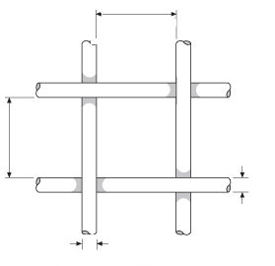

y-opening
y-wire diameter

x-wire diameter

 |  | Nominal Value |  |  | STD Reading | Error | Uncertainty ( ± ) µm

 |  | X-Opening Size | 0.0 |  | 0.000 | 0.000 | 3.00
 |  | Y-Opening Size | 2.5 |  | 2.500 | 0.000 | 3.00
 |  | X-Wire | 5.1 |  | 5.100 | 0.000 | 3.00
 |  | Y-Wire | 7.7 |  | 50.000 | 0.000 | 3.00

 | Measurement Uncertainty
 | The reported uncertainty of measurement is the expanded uncertainty obtained by multiplying the
standard uncertainty with the coverage factor k = 2.00, providing a level of confidence approximately 95 %
- End of Certificate -

